Timin Ripple
 |  |  |  | XOR
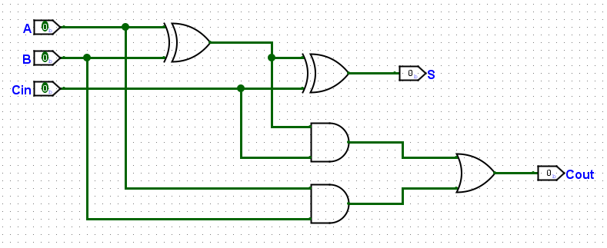

 |  |  |  | AND
 | XOR | AND | OR
Tpd | 16. 5 ns | 6 ns | 4 ns
FA = 16.5 + 6 + 4 = 26.5 ns
Tripple = N(FA) = 4 (26.5) = 106 ns

 |  |  |  | OR

Timing CLA
 | Tpgblock = 4(AND) + 3 (OR) = 4(6) + 3(4) = 36 ns

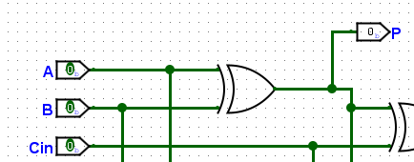
 |  | Tcla =tpg + tpg_block +(k/N​−1)tAND/OR + ktFa
 |  | Tcla = 16.5 + 36 +(0) + 4(26.5)
 |  | Tcla = 158.5ns
Tpg =16.5 ns

Timing Prefix
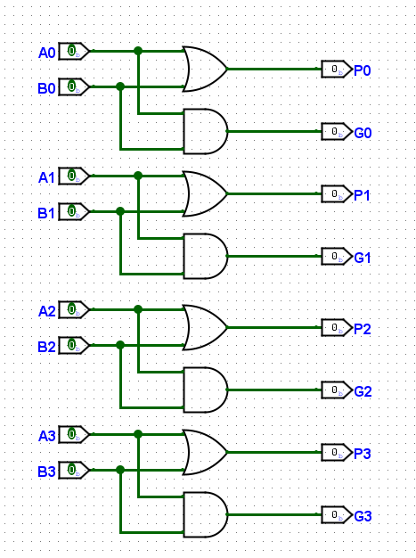
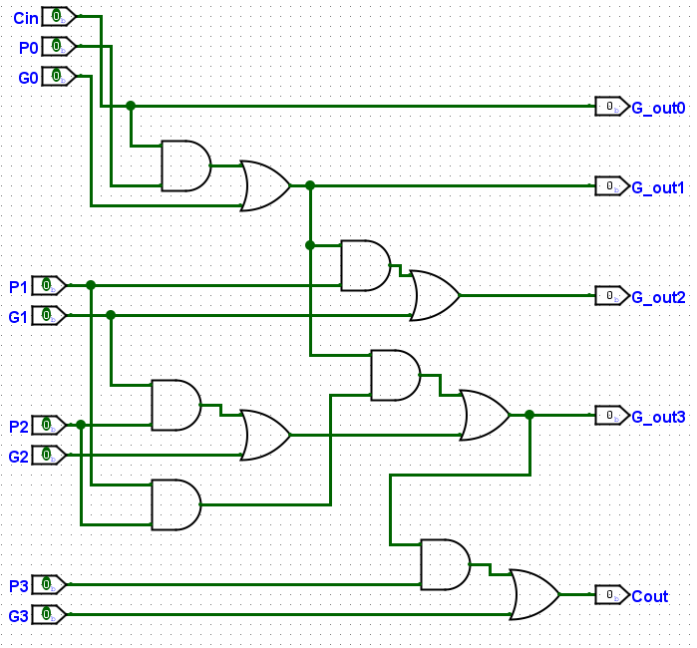

Tpg =6 ns
 | Tpgblock = 3(AND) + 3 (OR) = 3(6) + 3(4) = 30 ns

Tpa = Tpg + log(N)Tprefix_block + Txor
Tpa = 6 ns + 18.07 ns + 16.5 ns
Tpa = 40.57 ns

